Sheet1
Record Sheet for the BE TEST (manual)
 |  |  |  |  |  |  |  | 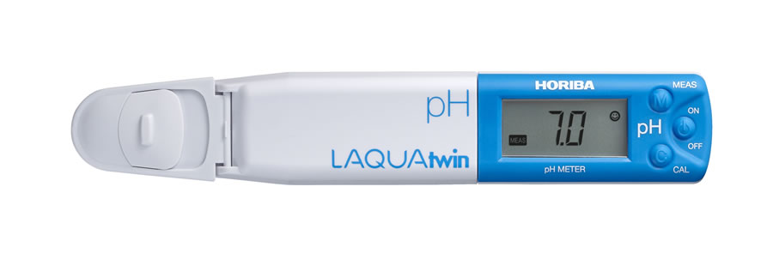
 |  |  |  |  |  |  |  |  |  |  | VISUAL | UREA
No. | Date | Time | HORSE NAME | AGE | Wgt KGS | Height inch | Carbs/BRIX | Urine pH | Saliva pH | Conductivity M/S SALTS | CELL DEBRIS | Amionia Nitrate | Nitrate Nitogen | Comments…..
1
2
3
4
5
6
7
8
9
10
11
12
13
14
15
16
17

